Holiday Checklist
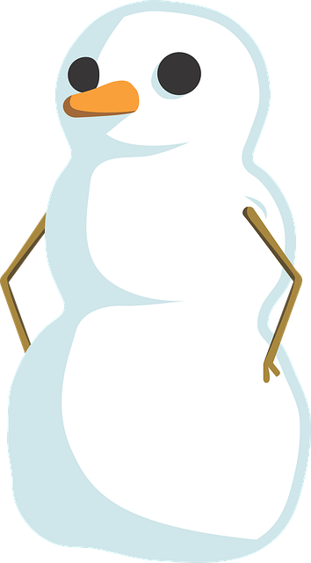
 |  | Holiday Travel Workbook

 |  | ITEM | CATEGORY | COUNT | PACKED
 |  | Bath towels | Bathroom | 2 | 1
 |  | Bathrobe | Bathroom | 1 | 1
 |  | Curling/flat iron | Bathroom | 1 | 1
 |  | Dental floss | Bathroom | 1
 |  | Deodorant | Bathroom | 2
 |  | Hair dryer | Bathroom | 1
 |  | Hand towels | Bathroom | 2 | 1
PACKING PROGRESS
 |  | Mirror | Bathroom | 1
 |  | Nail clippers | Bathroom | 1 | 1
 |  | Razor | Bathroom | 1 | 1
Packed | 63% | Shampoo & conditioner | Bathroom | 2 | 1
 |  | Soap | Bathroom | 2 | 1
 |  | Tissues | Bathroom | 1
 |  | Toothbrush & paste | Bathroom | 1 | 1
 | PACKING TIPS | Washcloths | Bathroom | 2 | 1
Wrap shoes in plastic to prevent marking clothes
Pack clothes separately
Mark containers for easier unpacking
Pack fragile items in the interior of luggage to prevent damage
 |  | Belts | Clothes | 2
 |  | Boots | Clothes | 1 | 1
 |  | Exercise clothes | Clothes | 2
 |  | Gloves | Clothes | 1
 |  | Hat | Clothes | 2
 |  | Jewelry & watch | Clothes | 2 | 1
 |  | Nylons | Clothes | 1 | 1
 |  | Pajamas | Clothes | 1 | 1
 |  | Pants, blue jeans | Clothes | 3 | 0
 |  | Pants, slacks | Clothes | 2 | 1
 |  | Purse | Clothes | 1
 |  | Sandals | Clothes | 1
 |  | Shirt, button-up | Clothes | 4
 |  | Shirt, t-shirts | Clothes | 5 | 1
 |  | Shorts | Clothes | 2 | 1
 |  | Sneakers | Clothes | 2 | 1
 |  | Socks | Clothes | 10 | 0
 |  | Spring jacket | Clothes | 1 | 1
 |  | Sweaters | Clothes | 1 | 1
 |  | Sweatshirts | Clothes | 1
 |  | Swim suit | Clothes | 2 | 1
 |  | Underwear | Clothes | 10
 |  | Winter jacket | Clothes | 1 | 1
 |  | Personal music player | Electronics | 1 | 1
 |  | Alarm clock | Electronics | 1 | 1
 |  | Batteries, AA | Electronics | 10 | 1
 |  | Batteries, AAA | Electronics | 10 | 1
 |  | Batteries, C | Electronics | 4 | 1
 |  | Batteries, D | Electronics | 4
 |  | Cellphone | Electronics | 1 | 1
 |  | Cellphone case | Electronics | 1 | 1
 |  | Cellphone charger | Electronics | 1 | 1
 |  | Headphones | Electronics | 2
 |  | Tablet | Electronics | 1 | 1
 |  | Tablet case | Electronics | 1
 |  | Blanket | Furniture | 2 | 1
 |  | Kitchen stools | Furniture | 1 | 1
 |  | Pillows | Furniture | 2
 |  | Recliner | Furniture | 1 | 1
 |  | Can opener | Kitchen | 1 | 1
 |  | Knife | Kitchen | 2 | 1
 |  | Microwave | Kitchen | 1
 |  | Mug | Kitchen | 2 | 1
 |  | Oven mitt | Kitchen | 2 | 1
 |  | Paper towels | Kitchen | 2
 |  | Reclosable plastic bags | Kitchen | 1 | 1
 |  | Stain remover | Kitchen | 1 | 1
 |  | Utensils | Kitchen | 4
 |  | Acne cream | Medical | 2 | 1
 |  | Adhesive strips | Medical | 2
 |  | Antacid | Medical | 1
 |  | Antibiotic cream | Medical | 2
 |  | Aspirin | Medical | 2 | 1
 |  | Contact lens solution | Medical | 4 | 1
 |  | Contact lenses | Medical | 1
 |  | Cotton swabs, case | Medical | 1 | 1
 |  | Decongestants | Medical | 1 | 1
 |  | Eye drops | Medical | 2
 |  | Eye glasses | Medical | 1 | 1
 |  | Hot/cold pack | Medical | 2 | 1
 |  | Pain reliever | Medical | 1 | 1
 |  | Prescription medication | Medical | 2
 |  | Vapor rub | Medical | 1
 |  | Vitamins | Medical | 1 | 1
 |  | Backpack | Supplies | 1 | 1
 |  | Calculator | Supplies | 1
 |  | Calendar | Supplies | 1 | 1
 |  | Desk lamp | Supplies | 1 | 1
 |  | Desktop organizer | Supplies | 1 | 1
 |  | Envelopes | Supplies | 4 | 1
 |  | Erasers | Supplies | 4
 |  | File cabinet | Supplies | 1 | 1
 |  | Folders | Supplies | 2 | 1
 |  | Glue | Supplies | 1 | 1
 |  | Highlighters | Supplies | 3
 |  | Index cards | Supplies | 4
 |  | Labels | Supplies | 4
 |  | Markers | Supplies | 2
 |  | Notebooks | Supplies | 5 | 1
 |  | Paper clips | Supplies | 1 | 1
 |  | Pencil sharpener | Supplies | 1 | 1
 |  | Pens & pencils | Supplies | 4
 |  | Postage stamps | Supplies | 20 | 1
 |  | Rubber bands | Supplies | 1 | 1
 |  | Ruler | Supplies | 1
 |  | Scissors | Supplies | 1 | 1
 |  | Stapler & staples | Supplies | 1 | 1
 |  | Stapler remover | Supplies | 1 | 1
 |  | Sticky notes | Supplies | 2 | 1
 |  | Tape | Supplies | 3

