Euro 2012 Schedule
Language |  |  |  |  | : | English |  |  |  | Visit exceltemplate.net for more templates and updates

Timezone |  |  |  |  | : | Madrid

Group Stages

 | Matches |  |  |  |  |  |  |  |  |  | Standings

 |  | Match # | Group | Date | Time | Country | Score |  | Country |  |  | Group A | P | W | D | L | F - A | Pt
 |  |  |  |  |  |  |  |  |  |  |  | Russia | 0 | 0 | 0 | 0 | 0 - 0 | 0
 |  | 1 | A | 2012-06-08 18:00:00 | 2012-06-08 18:00:00 | Poland |  | - | Greece |  |  | Greece | 0 | 0 | 0 | 0 | 0 - 0 | 0
 |  | 2 | A | 2012-06-08 20:45:00 | 2012-06-08 20:45:00 | Russia |  | - | Czech Republic |  |  | Czech Republic | 0 | 0 | 0 | 0 | 0 - 0 | 0
 |  | 3 | B | 2012-06-09 18:00:00 | 2012-06-09 18:00:00 | Netherlands |  | - | Denmark |  |  | Poland | 0 | 0 | 0 | 0 | 0 - 0 | 0
 |  | 4 | B | 2012-06-09 20:45:00 | 2012-06-09 20:45:00 | Germany |  | - | Portugal
 |  | 5 | C | 2012-06-10 18:00:00 | 2012-06-10 18:00:00 | Spain |  | - | Italy |  |  | Group B | P | W | D | L | F - A | Pt
 |  | 6 | C | 2012-06-10 20:45:00 | 2012-06-10 20:45:00 | Republic of Ireland |  | - | Croatia |  |  | Netherlands | 0 | 0 | 0 | 0 | 0 - 0 | 0
 |  | 7 | D | 2012-06-11 18:00:00 | 2012-06-11 18:00:00 | France |  | - | England |  |  | Germany | 0 | 0 | 0 | 0 | 0 - 0 | 0
 |  | 8 | D | 2012-06-11 20:45:00 | 2012-06-11 20:45:00 | Ukraine |  | - | Sweden |  |  | Denmark | 0 | 0 | 0 | 0 | 0 - 0 | 0
 |  | 9 | A | 2012-06-12 18:00:00 | 2012-06-12 18:00:00 | Greece |  | - | Czech Republic |  |  | Portugal | 0 | 0 | 0 | 0 | 0 - 0 | 0
 |  | 10 | A | 2012-06-12 20:45:00 | 2012-06-12 20:45:00 | Poland |  | - | Russia
 |  | 11 | B | 2012-06-13 18:00:00 | 2012-06-13 18:00:00 | Denmark |  | - | Portugal |  |  | Group C | P | W | D | L | F - A | Pt
 |  | 12 | B | 2012-06-13 20:45:00 | 2012-06-13 20:45:00 | Netherlands |  | - | Germany |  |  | Spain | 0 | 0 | 0 | 0 | 0 - 0 | 0
 |  | 13 | C | 2012-06-14 18:00:00 | 2012-06-14 18:00:00 | Italy |  | - | Croatia |  |  | Italy | 0 | 0 | 0 | 0 | 0 - 0 | 0
 |  | 14 | C | 2012-06-14 20:45:00 | 2012-06-14 20:45:00 | Spain |  | - | Republic of Ireland |  |  | Croatia | 0 | 0 | 0 | 0 | 0 - 0 | 0
 |  | 15 | D | 2008-06-15 20:45:00 | 2008-06-15 20:45:00 | Sweden |  | - | England |  |  | Republic of Ireland | 0 | 0 | 0 | 0 | 0 - 0 | 0
 |  | 16 | D | 2012-06-15 18:00:00 | 2012-06-15 18:00:00 | Ukraine |  | - | France
 |  | 17 | A | 2012-06-16 20:45:00 | 2012-06-16 20:45:00 | Czech Republic |  | - | Poland |  |  | Group D | P | W | D | L | F - A | Pt
 |  | 18 | A | 2012-06-16 20:45:00 | 2012-06-16 20:45:00 | Greece |  | - | Russia |  |  | England | 0 | 0 | 0 | 0 | 0 - 0 | 0
 |  | 19 | B | 2012-06-17 20:45:00 | 2012-06-17 20:45:00 | Portugal |  | - | Netherlands |  |  | Sweden | 0 | 0 | 0 | 0 | 0 - 0 | 0
 |  | 20 | B | 2012-06-17 20:45:00 | 2012-06-17 20:45:00 | Denmark |  | - | Germany |  |  | France | 0 | 0 | 0 | 0 | 0 - 0 | 0
 |  | 21 | C | 2012-06-18 20:45:00 | 2012-06-18 20:45:00 | Croatia |  | - | Spain |  |  | Ukraine | 0 | 0 | 0 | 0 | 0 - 0 | 0
 |  | 22 | C | 2012-06-18 20:45:00 | 2012-06-18 20:45:00 | Italy |  | - | Republic of Ireland
 |  | 23 | D | 2012-06-19 20:45:00 | 2012-06-19 20:45:00 | England |  | - | Ukraine |  |  | P : Played W : Win D : Draw L : Lose
 |  | 24 | D | 2012-06-19 20:45:00 | 2012-06-19 20:45:00 | Sweden |  | - | France |  |  | F : Goal scored for A : Goal scored against Pt : Point

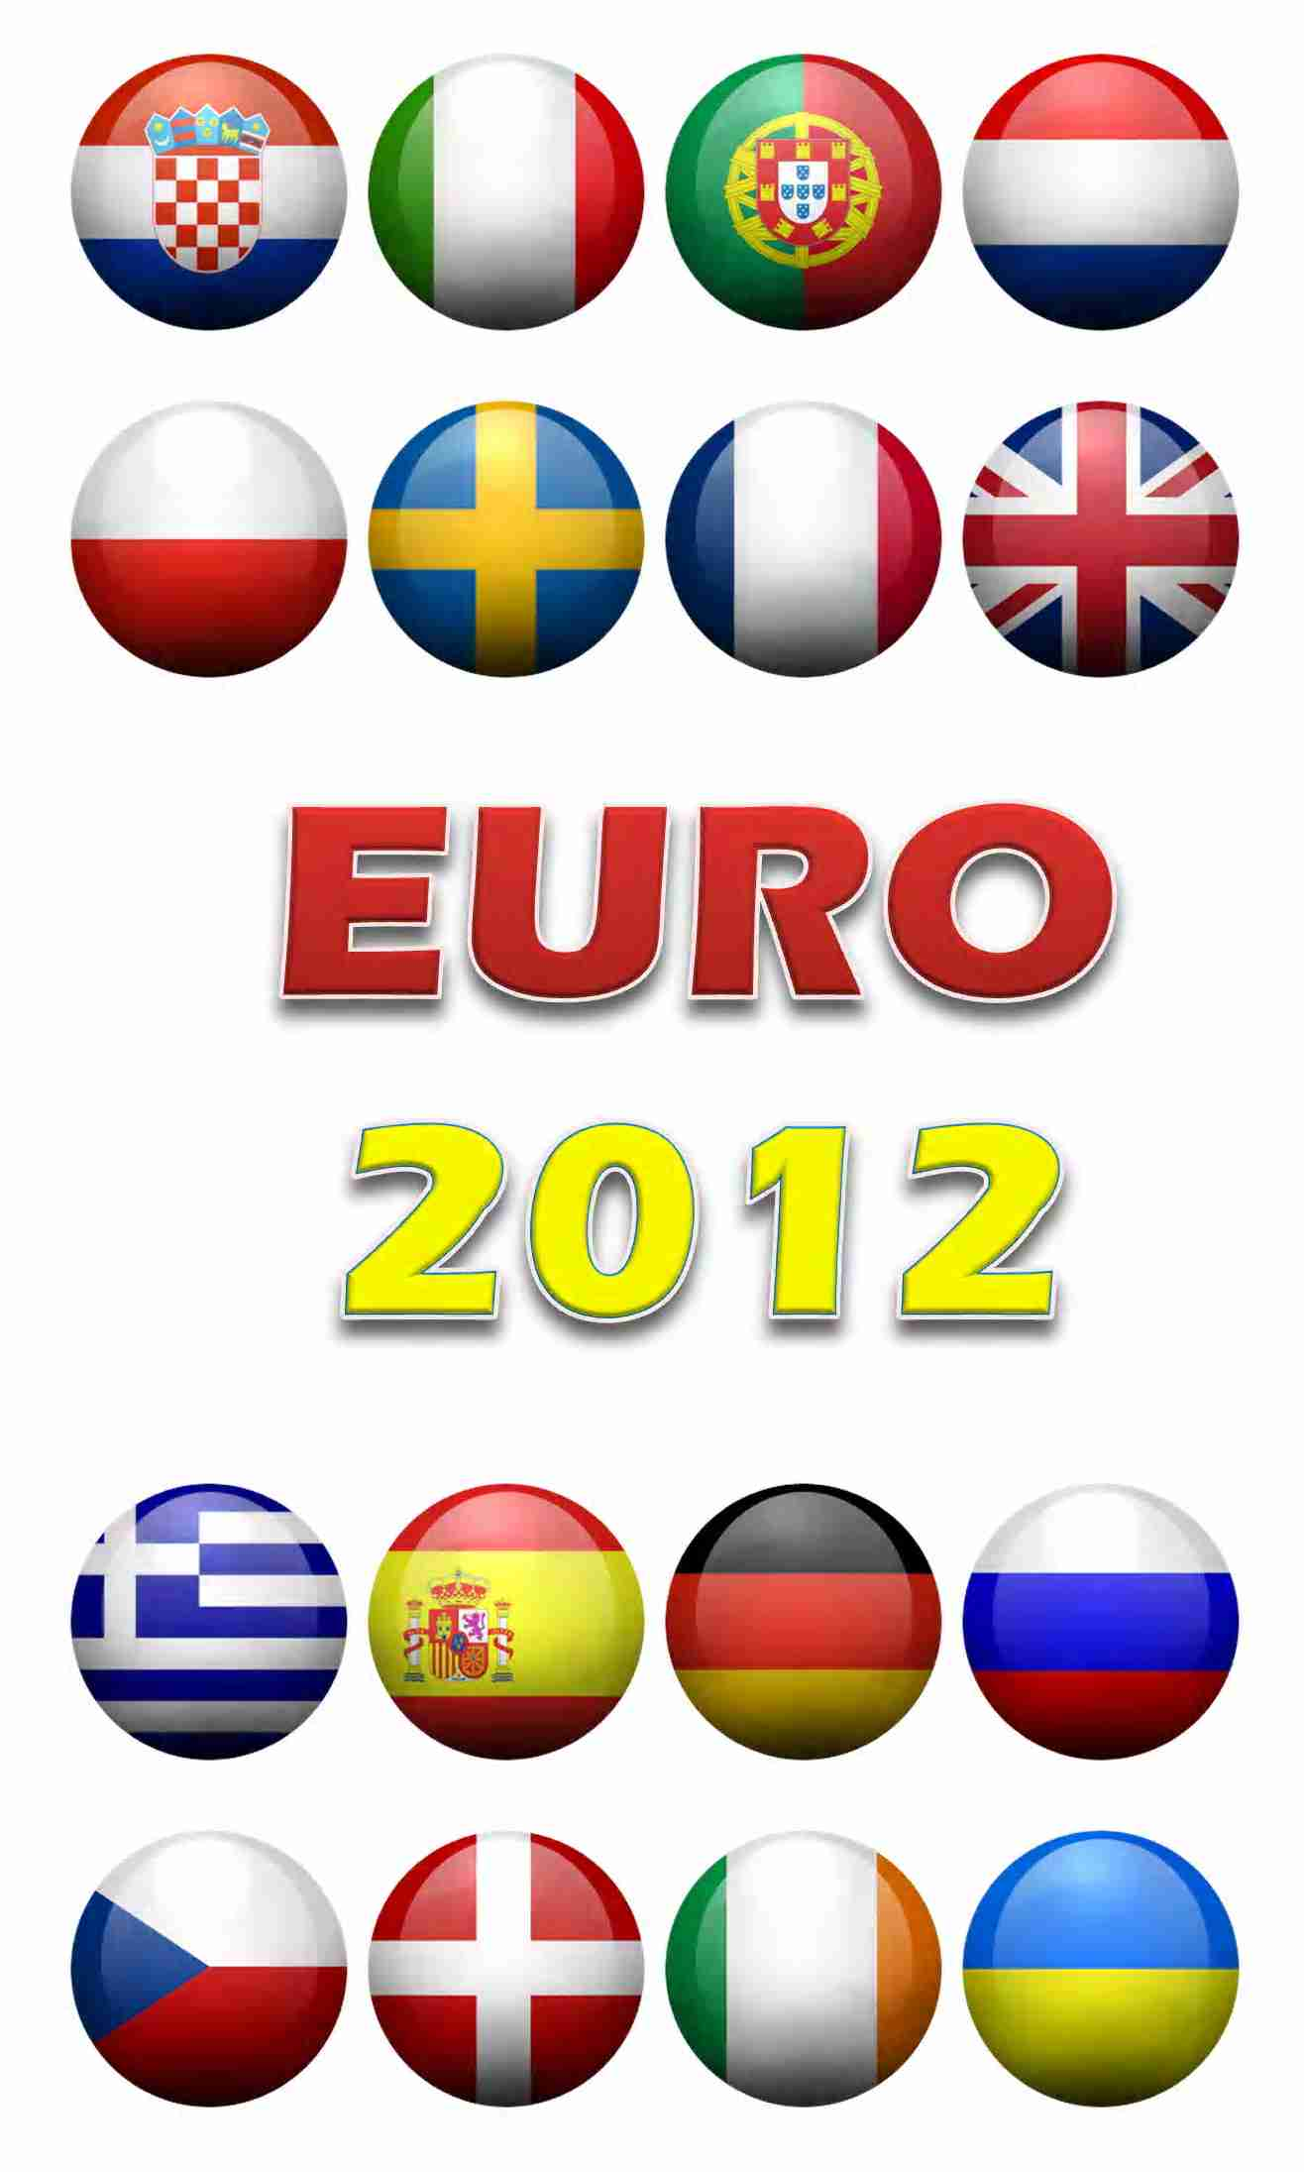
Quarter Finals

 |  | 25 |  | 2012-06-21 20:45:00 | 2012-06-21 20:45:00 | Group A Winner |  | - | Group B Runner Up
 |  |  |  |  |  | Normal Time |  | -
 |  |  |  |  |  | Extra Time |  | -
 |  |  |  |  |  | Penalty Shoot Out |  | -

 |  | 26 |  | 2012-06-22 20:45:00 | 2012-06-22 20:45:00 | Group B Winner |  | - | Group A Runner Up
 |  |  |  |  |  | Normal Time |  | -
 |  |  |  |  |  | Extra Time |  | -
 |  |  |  |  |  | Penalty Shoot Out |  | -

 |  | 27 |  | 2012-06-23 20:45:00 | 2012-06-23 20:45:00 | Group C Winner |  | - | Group D Runner Up
 |  |  |  |  |  | Normal Time |  | -
 |  |  |  |  |  | Extra Time |  | -
 |  |  |  |  |  | Penalty Shoot Out |  | -

 |  | 28 |  | 2012-06-24 20:45:00 | 2012-06-24 20:45:00 | Group D Winner |  | - | Group C Runner Up
 |  |  |  |  |  | Normal Time |  | -
 |  |  |  |  |  | Extra Time |  | -
 |  |  |  |  |  | Penalty Shoot Out |  | -

Semi Finals

 |  | 29 |  | 2012-06-27 20:45:00 | 2012-06-27 20:45:00 | Match 25 Winner |  | - | Match 27 Winner
 |  |  |  |  |  | Normal Time |  | -
 |  |  |  |  |  | Extra Time |  | -
 |  |  |  |  |  | Penalty Shoot Out |  | -

 |  | 30 |  | 2012-06-28 20:45:00 | 2012-06-28 20:45:00 | Match 26 Winner |  | - | Match 28 Winner
 |  |  |  |  |  | Normal Time |  | -
 |  |  |  |  |  | Extra Time |  | -
 |  |  |  |  |  | Penalty Shoot Out |  | -

Final |  |  |  |  |  |  |  |  |  |  |  | Champion

 |  | 31 |  | 2012-07-01 20:45:00 | 2012-07-01 20:45:00 | Match 29 Winner |  | - | Match 30 Winner |  |  | MATCH 31 WINNER
 |  |  |  |  |  | Normal Time |  | -
 |  |  |  |  |  | Extra Time |  | -
 |  |  |  |  |  | Penalty Shoot Out |  | -

About
UEFA EURO 2012 Schedule and Scoresheet
Without Flag Model
Version 3.01
License : Free for Personal Usage
Copyrights (c) 2012 Musadya
All rights reserved
More template information :

(EULA)

http://exceltemplate.net/sports/uefa-euro-2012-schedule-and-scoresheet/

If you are interested to see how the formula works or just want to thank me :), you can get the unlocked version by sending me money through paypal by clicking the button below

